Question8 Fill
Year/Revenue
Year | Revenue
2010 | 50856
2011 | 33533
2012 | 36928 | In my excel in fill option (colours from vary point option)is not available.
2013 | 40742
2014 | 62728
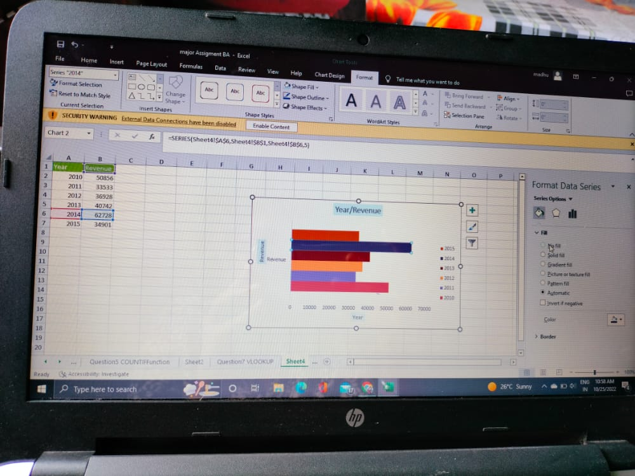
2015 | 34901

